Map
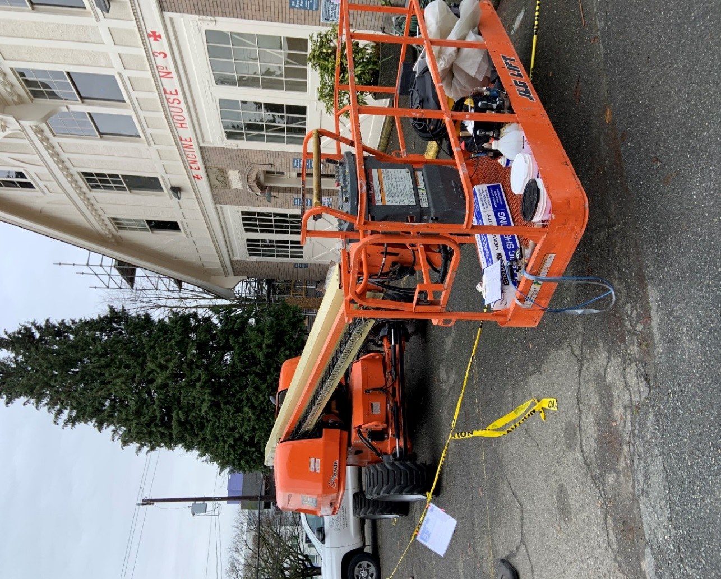
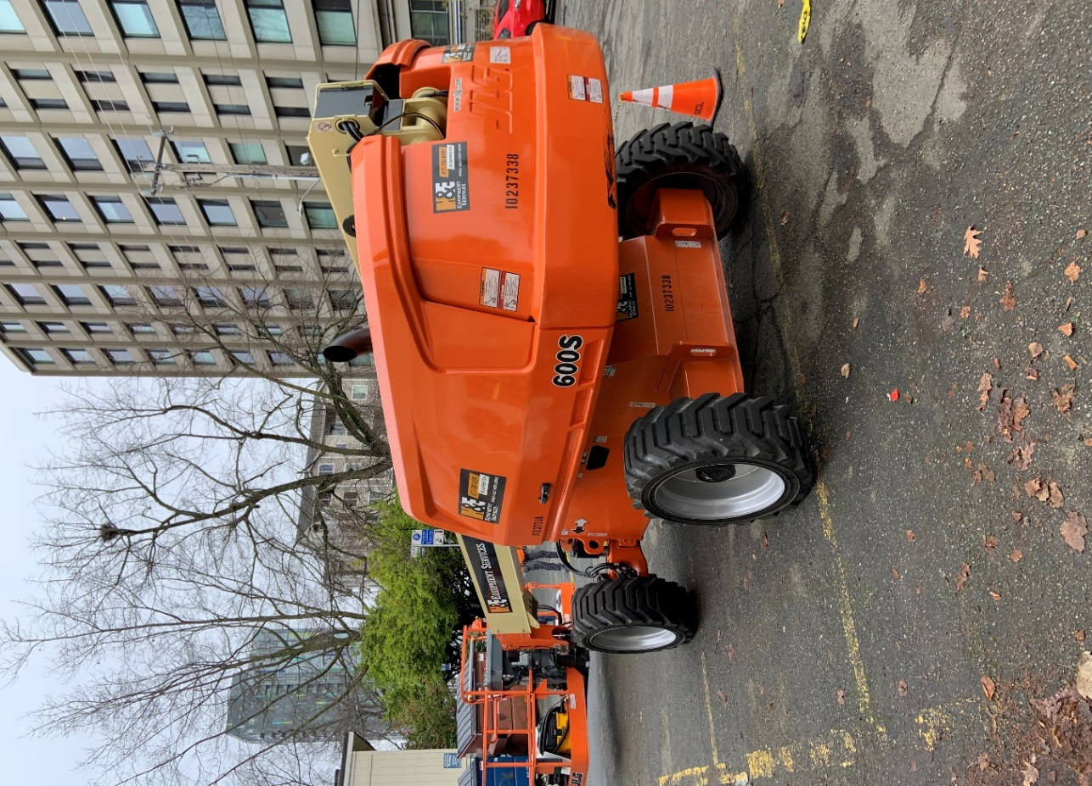

Survey No | INIS-010220-877
Date | 2020-01-02
Survey Tech | M. Pries
Count Room Tech | P. Ray
Date Counted | 2020-01-02
Survey Type | Incoming
Level of Posting | RCA
Comments

